Sheet1
 |  | VACUUM GROUP NEW STYLE
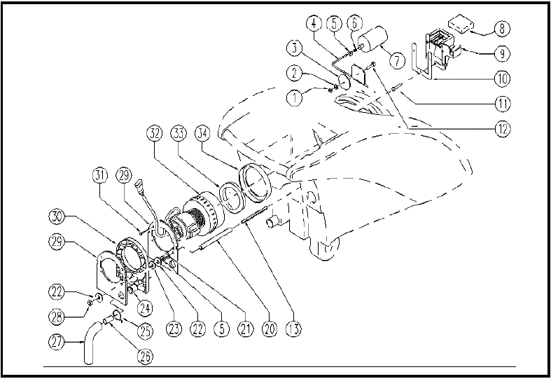

ITEM | SKU | DESCRIPTION | QTY | FROM
1 | E86772 | Nut | 1 | 04/2004
2 | E86448 | AS20 Washer | 1 | 04/2004
3 | E86591 | Gasket WS20/24-FS28/32 | 1 | 04/2004
4 | E86592 | Rod WS20/24-FS28/32 | 1 | 04/2004
5 | E86873 | Nut | 3 | 04/2004
6 | E89213 | Insert FS28/32 | 1 | 04/2004
7 | E86593 | Float WS20/24-FS28/32 | 1 | 04/2004
8 | E86502 | Filter | 1 | 04/2004
9 | E86595 | Support WS20/24-FS28/32 | 1 | 04/2004
10 | E86365 | filter gasket WS20 | 1 | 04/2004
11 | VTVT00835 | SCREW | 3 | 04/2004
12 | E86594 | Screw WS20/24-FS28/32 | 1 | 04/2004
13 | E87910 | Screw | 2 | 04/2004
20 | E88350 | Spacer, Vacuum Motor | 2 | 04/2004
21 | E86758 | Washer | 2 | 04/2004
22 | E86719 | AS20 Washer | 4
23 | MPVR35582 | RUBBER | 2 | 04/2004
24 | E86449 | AS20 Bushing for Vac Motor | 1 | 04/2004
25 | E86460 | Cable tie 12" | 1 | 04/2004
26 | TBFX00217 | TUBE | 1
27 | E87940 | Sound proofing | 1 | 04/2004
28 | E86875 | Self-Locking Nut | 2 | 04/2004
29 | LAFN51076 | FLANGE | 2 | 04/2004
30 | ITSO00035 | SOUND-PROOFING | 1 | 04/2004
31 | VTVT00892 | SCREW | 4 | 04/2004
32 | E89124 | 2 stage vac motor WS20/24 after 04B | 1
33 | E87832 | O Ring for Gasket FS28 | 1 | 04/2004
34 | E86612 | Gasket for vacuum motor | 1 | 04/2004

